IPK Program Cawu 5
PROGRAM PERHITUNGAN IP CAWU 5 PPTI 2020 Originated by Pascal Wilman

Source : ol.binus.ac.id
Agile Software Development (2 Credits) |  |  | Data Mining (2 Credits) |  |  | RESULT OF YOUR IP |  |  | TOTAL 15 Credits Agile Software Development (2 Credits) 1. Assignment (15%) 2. Mid Exam (40%) 3. Final Exam (45%) User Experience (2/2 Credits) 1. Theory : Assignment (14%) 2. Lab : Assignment (12%) 3. Theory : Mid Exam (17%) 4. Theory : Assurance of Learning (14%) 5. Lab : Project (18%) 6. Theory : Final Exam (25%) Data Mining (2 Credits) 1. Assignment (30%) 2. Mid Exam (30%) 3. Final Exam(40%) Web Programming (2/1 Credits) 1. Assignment (16%) 2. Mid Exam(24%) 3. Project (20%) 4. Final Exam(40%) Research Methodology in Computer Science (2 Credits) 1. Assignment (40%) 2. Mid Exam (30%) 3. Final Exam (30%) Computer Security (2 Credits) 1. Assignment (20%) 2. Mid Exam (30%) 3. Final Exam (50%)

Subject | Score | Result | Subject | Score | Result | Course | Credits | Result
Assignment | 90.00 | 13.50 | Assignment | 90.00 | 27.00 | Agile Software Development | 2.00 | 8.00
Mid Exam | 90.00 | 36.00 | Mid Exam | 90.00 | 27.00
Final Exam | 90.00 | 40.50 | Final Exam | 90.00 | 36.00 | Data Mining | 2.00 | 8.00
Total Result (IP) |  | 90.00 | Total Result (IP) |  | 90.00
Grade |  | A | Grade |  | A | UX Teori | 2.00 | 8.00
Weight |  | 4.00 | Weight |  | 4.00 | UX Lab | 2.00 | 8.00
 |  |  |  |  |  | Web Prog Teori | 2.00 | 8.00
User Experience (2/2 Credits) |  |  | Web Programming (2/1 Credits) |  |  | Web Prog Lab | 1.00 | 4.00
 |  |  |  |  |  | Research Met CS | 2.00 | 8.00
Subject | Score | Result | Subject | Score | Result | Computer Security | 2.00 | 8.00
Theory : Assignment | 90.00 | 12.60 | Assignment | 90.00 | 14.40
Lab : Assignment | 90.00 | 10.80 | Mid Exam | 90.00 | 21.60 | Total Credit/GPA | 15.00 | 4.00
Theory : Mid Exam | 100.00 | 17.00 | Project | 85.00 | 17.00
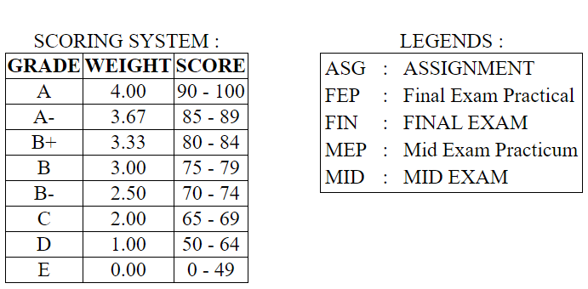
Theory : Assurance of Learning | 80.00 | 11.20 | Final Exam | 95.00 | 38.00
Lab : Project | 95.00 | 17.10 | Total Result Teori (IP) |  | 74.00
Theory : Final Exam | 85.00 | 21.25 | Total Result Lab (IP) |  | 17.00
Total Result Teori (IP) |  | 62.05 | Total Result |  | 91.00
Total Result Lab (IP) |  | 27.90 | Grade |  | A
Total Result |  | 89.95 | Weight |  | 4.00
Grade |  | A
Weight |  | 4.00 | Computer Security (2 Credits)

Research Methodology in Computer Science (2 Credits) |  |  | Subject | Score | Result
 |  |  | Assignment | 90.00 | 18.00
Subject | Score | Result | Mid Exam | 80.00 | 24.00
Assignment | 90.00 | 36.00 | Final Exam | 95.00 | 47.50
Mid Exam | 90.00 | 27.00 | Total Result (IP) |  | 89.50
Final Exam | 90.00 | 27.00 | Grade |  | A
Total Result (IP) |  | 90.00 | Weight |  | 4.00
Grade |  | A
Weight |  | 4.00

